First Data
 | Nate Silver's First Data
-25% | 2743
-10% | 1675
0% | 2837
-28% | 2767
29% | 1615
14% | 1692
20% | 1468
87% | 734
19% | 2435
-3% | 2983
0% | 2726
29% | 1140
-31% | 2103
17% | 1636
-16% | 2487
-8% | 1867
-15% | 2198
-26% | 3442
-19% | 2214
9% | 1877
33% | 1629
33% | 1497
3% | 2784
7% | 1630
-17% | 2492
-15% | 2508
-16% | 2318
-19% | 1624
2% | 2551
7% | 1512
16% | 1666
11% | 2839
23% | 1761
-1% | 1880
-33% | 1432
-8% | 2677
-33% | 3182
16% | 1799
1% | 2318
21% | 1882
-12% | 2530
-26% | 1642
-23% | 2935
-6% | 1984
-20% | 1172
35% | 1209
10% | 2024
19% | 1544
-39% | 3451
1% | 1865
...

First Data with fit
 | Nate Silver's First Data
-25% | 2743
-10% | 1675
0% | 2837
-28% | 2767
29% | 1615
14% | 1692
20% | 1468
87% | 734
19% | 2435
-3% | 2983
0% | 2726
29% | 1140
-31% | 2103
17% | 1636
-16% | 2487
-8% | 1867
-15% | 2198
-26% | 3442
-19% | 2214
9% | 1877
33% | 1629
33% | 1497
3% | 2784
7% | 1630
-17% | 2492
-15% | 2508
-16% | 2318
-19% | 1624
2% | 2551
7% | 1512
16% | 1666
11% | 2839
23% | 1761
-1% | 1880
-33% | 1432
-8% | 2677
-33% | 3182
16% | 1799
1% | 2318
21% | 1882
-12% | 2530
-26% | 1642
-23% | 2935
-6% | 1984
-20% | 1172
35% | 1209
10% | 2024
19% | 1544
-39% | 3451
1% | 1865
...

DC removed fit
Nate Silver data with DC removed
-25% | 2743
-10% | 1675
0% | 2837
-28% | 2767
29% | 1615
14% | 1692
20% | 1468
19% | 2435
-3% | 2983
0% | 2726
29% | 1140
-31% | 2103
17% | 1636
-16% | 2487
-8% | 1867
-15% | 2198
-26% | 3442
-19% | 2214
9% | 1877
33% | 1629
33% | 1497
3% | 2784
7% | 1630
-17% | 2492
-15% | 2508
-16% | 2318
-19% | 1624
2% | 2551
7% | 1512
16% | 1666
11% | 2839
23% | 1761
-1% | 1880
-33% | 1432
-8% | 2677
-33% | 3182
16% | 1799
1% | 2318
21% | 1882
-12% | 2530
-26% | 1642
-23% | 2935
-6% | 1984
-20% | 1172
35% | 1209
10% | 2024
19% | 1544
-39% | 3451
1% | 1865
-43% | 2521

Age and Biden margin
-25% | 17.8
-10% | 13.1
0% | 18.5
-28% | 17.7
29% | 15.2
14% | 15.1
20% | 18.2
87% | 13
19% | 20
-3% | 21.3
0% | 14.7
29% | 19.6
-31% | 16.7
17% | 16.6
-16% | 16.5
-8% | 17.9
-15% | 16.8
-26% | 17.2
-19% | 16.4
9% | 21.8
33% | 16.3
33% | 17.4
3% | 18.2
7% | 16.8
-17% | 16.9
-15% | 17.7
-16% | 19.7
-19% | 16.5
2% | 16.5
7% | 19.3
16% | 17
11% | 18.5
23% | 17.4
-1% | 17.1
-33% | 16.1
-8% | 17.9
-33% | 16.4
16% | 18.6
1% | 19.1
21% | 18.2
-12% | 18.7
-26% | 17.6
-23% | 17.1
-6% | 13.2
-20% | 11.7
35% | 20.6
10% | 16.3
19% | 16.2
-39% | 20.9
1% | 18
...

Correlation in Politics and Vax
-25% | 0.52
-10% | 0.64
0% | 0.64
-28% | 0.56
29% | 0.74
14% | 0.72
20% | 0.82
87% | 0.82
19% | 0.72
-3% | 0.69
0% | 0.56
29% | 0.81
-31% | 0.56
17% | 0.7
-16% | 0.57
-8% | 0.63
-15% | 0.64
-26% | 0.59
-19% | 0.55
9% | 0.82
33% | 0.78
33% | 0.82
3% | 0.62
7% | 0.71
-17% | 0.53
-15% | 0.58
-16% | 0.58
-19% | 0.65
2% | 0.63
7% | 0.7
16% | 0.78
11% | 0.74
23% | 0.79
-1% | 0.65
-33% | 0.57
-8% | 0.6
-33% | 0.59
16% | 0.71
1% | 0.72
21% | 0.86
-12% | 0.59
-26% | 0.65
-23% | 0.56
-6% | 0.62
-20% | 0.66
35% | 0.84
10% | 0.75
19% | 0.75
-39% | 0.59
1% | 0.67
...

Correlation in Politics and (2)
-25% | 0.52
-10% | 0.64
0% | 0.64
-28% | 0.56
29% | 0.74
14% | 0.72
20% | 0.82
87% | 0.82
19% | 0.72
-3% | 0.69
0% | 0.56
29% | 0.81
-31% | 0.56
17% | 0.7
-16% | 0.57
-8% | 0.63
-15% | 0.64
-26% | 0.59
-19% | 0.55
9% | 0.82
33% | 0.78
33% | 0.82
3% | 0.62
7% | 0.71
-17% | 0.53
-15% | 0.58
-16% | 0.58
-19% | 0.65
2% | 0.63
7% | 0.7
16% | 0.78
11% | 0.74
23% | 0.79
-1% | 0.65
-33% | 0.57
-8% | 0.6
-33% | 0.59
16% | 0.71
1% | 0.72
21% | 0.86
-12% | 0.59
-26% | 0.65
-23% | 0.56
-6% | 0.62
-20% | 0.66
35% | 0.84
10% | 0.75
19% | 0.75
-39% | 0.59
1% | 0.67
...

Regression biden
SUMMARY OUTPUT

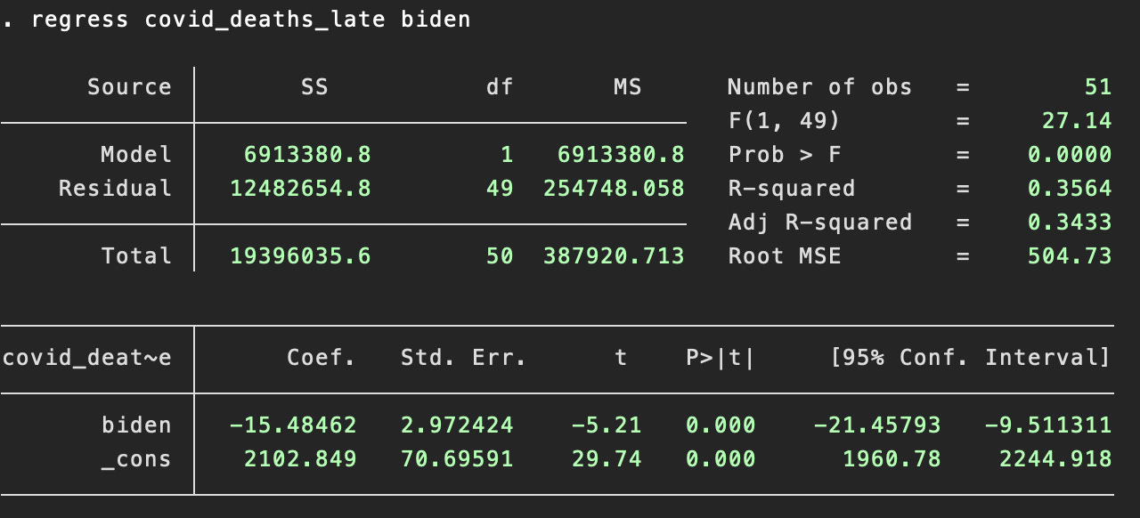
Regression Statistics
Multiple R | 0.59835893392
R Square | 0.3580334138 | 0.59835893392
Adjusted R Square | 0.3449320549
Standard Error | 503.21337616
Observations | 51

ANOVA
 | df | SS | MS | F | Significance F
Regression | 1 | 6920087.2322 | 6920087.2322 | 27.327960136 | 3.5282807523E-06
Residual | 49 | 12407961.395 | 253223.70194
Total | 50 | 19328048.627

 | Coefficients | Standard Error | t Stat | P-value | Lower 95% | Upper 95% | Lower 95.0% | Upper 95.0%
Intercept | 2098.9809824 | 70.484086857 | 29.779501672 | 4.8022208948E-33 | 1957.3379068 | 2240.6240579 | 1957.3379068 | 2240.6240579
X Variable 1 | -1549.2405052 | 296.35703113 | -5.227615148 | 3.5282807523E-06 | -2144.7922563 | -953.68875406 | -2144.7922563 | -953.68875406

